Sheet2
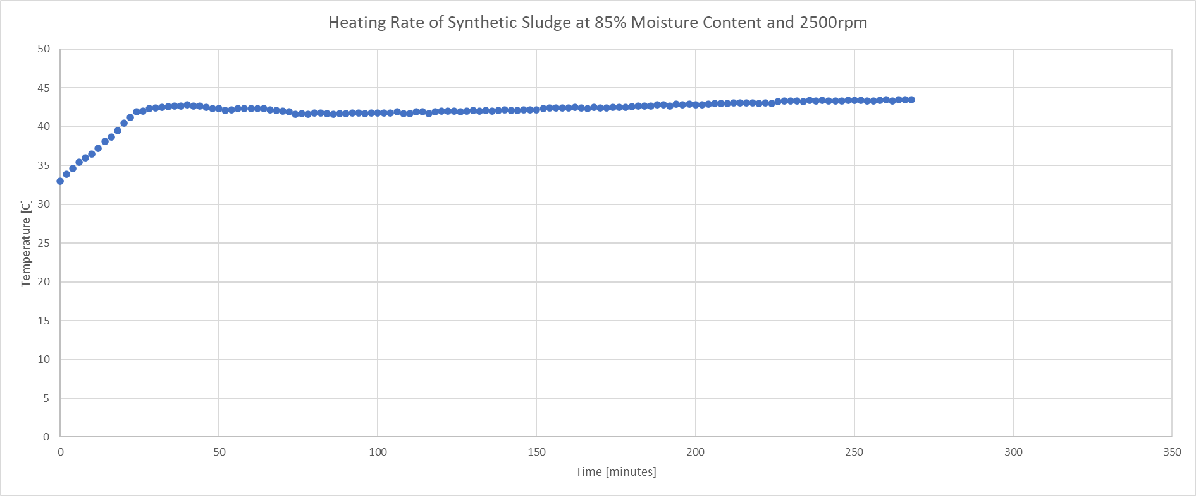
Heating Rate
Mass of sludge used | 0.6 | kg
Specific heat capacity | 2700.51 | J/(kg.K)
Temperature gradient | 0.014651497415 | K/min
Heating Rate | 23.73990917 | J/min

Time [min] | Temperature gradient [C/min] | Heating rate [kJ/min] | uncertainty values [%]
20 | 0.35818181818 | 580.36414909 | 0.013333333333
40 | 0.074242424242 | 120.29544545 | 0.0625
60 | -0.023939393939 | -38.789143636 | 0.25
80 | -0.040909090909 | -66.285245455
100 | 0.0048484848485 | 7.8560290909
120 | 0.0069696969697 | 11.293041818
140 | 0.009696969697 | 15.712058182
160 | 0.019696969697 | 31.915118182
180 | 0.0078787878788 | 12.766047273
228 | 0.0086363636364 | 13.993551818
248 | 0.0036363636364 | 5.8920218182
268 | 0.0081818181818 | 13.257049091 | 1
 | 2500 rpm
0 | 33
2 | 33.9
4 | 34.6
6 | 35.4
8 | 36
10 | 36.5
12 | 37.2
14 | 38.1
16 | 38.7
18 | 39.5
20 | 40.5
22 | 41.2
24 | 41.9
26 | 42
28 | 42.3
30 | 42.4
32 | 42.5
34 | 42.6
36 | 42.7
38 | 42.7
40 | 42.8
42 | 42.7
44 | 42.7
46 | 42.5
48 | 42.3
50 | 42.3
52 | 42.1
54 | 42.2
56 | 42.3
58 | 42.3
60 | 42.3
62 | 42.3
64 | 42.3
66 | 42.2
68 | 42.1
70 | 42
72 | 41.9
74 | 41.6
76 | 41.7
78 | 41.6
80 | 41.8
82 | 41.8
84 | 41.7
86 | 41.6
88 | 41.7
90 | 41.7
92 | 41.8
94 | 41.8
96 | 41.7
98 | 41.8
...

